Bug report
 |  |  |  | QA |  |  |  |  |  | Dev
Build ID | ModuleName | Build No | Description | TCID | Steps to replicate bug | Screenshot | Sevirity | Priority | Reported By | Assigned to | Resolution | Status | Fixed Date
ORHRM_001 | Orange HRM-MyInfo | 1 | Dashboard is displayed after login is successful Instead of MyInfo page . | TC_MyInfo_001 | 1.Launch Browser 2.Open URL "https://opensource- demo.orangehrmlive.com" 3.Provide valid password 4.Provide valid ESS user name 5.Click in login button | 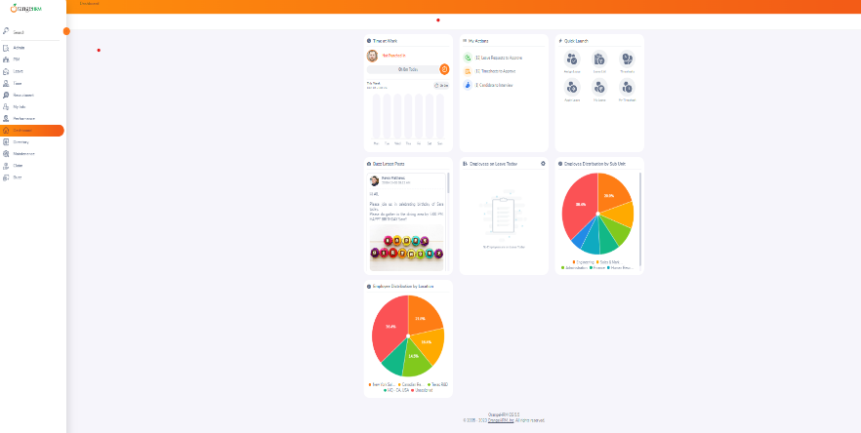 | S3 | P3 | Aishwarya | John
ORHRM_002 | Orange HRM-MyInfo | 1 | The message of 'Attachment Size Exceeded'should appear[as only jpg,GIF and PNG files supported up to 1MB] after the Upload button . But it uploads the complete (>1MB) file and then gives a message that the Attachment Size Exceeded | TC_MyInfo_008 | 1.Login to Orange as ESS user 2.Click on Myinfo table 3.Clicking on the photograph at corner of the screen 4.Click “Browse” and then select a photograph from the relevant path. 5.Click “Upload” once you have selected the picture.k | 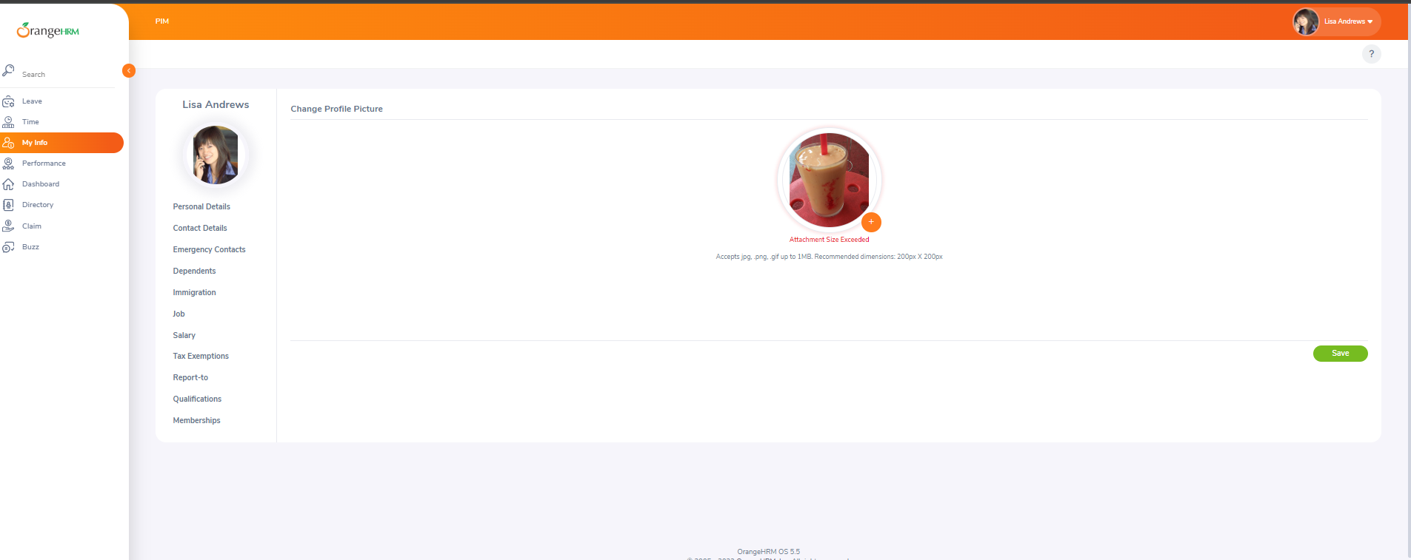 | S3
ORHRM_003 | Orange HRM-MyInfo | 1 | Clarification Required on Amount, Comments [Not visible on MyInfo… >Salary] Clarification Required on pim.amount which is not present in FRS document but displayed in [MyInfo..>Salary] | TC_MyInfo_22 | 1.Login to Orange as ESS user 2.Click on MyInfo table 3.Click on Salary Link | 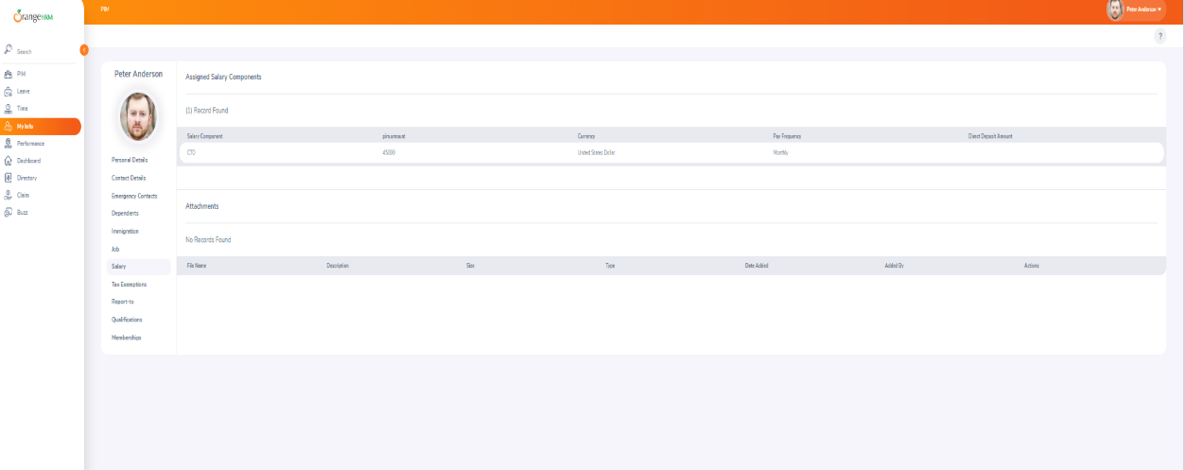 | S3 | P3 | Aishwarya | John
 |  |  |  |  |  | v

